Instructions
DrillSim 1.0.0
Introducing ExxonMobil's transient drill string dynamics modeling tool

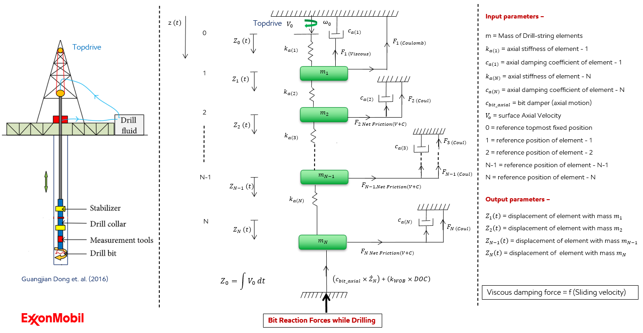
Inputs
Fill in the sheets below
S.No | Sheet Name | Paramters
1 | well_survey | MD, TVD, DLS, Vertical section, inclination, Azimuth (Feed this data into well_survey sheet)
2 | Drill_pipe_specs | OD, ID , Total length, total weight, total drill pipe length
3 | BHA_specs | BHA element type, element specs, number of joints , OD, ID, length, weight, presence of mud motor
4 | Borehole_properties | mud weight, friction coefficients, drag coefficients, buoyancy factor,
5 | Advanced | element length , simulation run time, rock strength, trip length, hole diameter
6 | Top drive inputs | adjustable rop and rpm curves
7 | Agitator_inputs | work in progress
8 | Heave_inputs
9 | Mud_motor_inputs

Outputs
S.No | Name | Description
1 | Outputs.pickle | A dictionary of all raw data during the analysis
2 | Outputs.html | An interactive plots of important parameters

Pre-requisites
Requires python to be installed in your system
Requires drillsim library to be installed

Important contacts
Anirban Manna
Rajat Dixit
Paul Pastusek
Greg Payette

well_survey
MD [m] | Inclination [°] | Azimuth [°] | TVD [m] | Vert Sect [m] | DLS [°/30m]
0 | 0
50 | 0
100 | 0
150 | 0
200 | 0
250 | 0
300 | 0
350 | 0
400 | 0
450 | 0
500 | 0
550 | 0
600 | 0
650 | 0
700 | 0
750 | 0
800 | 0
850 | 0
900 | 0
950 | 0
1000 | 0
1050 | 0
1100 | 0
1150 | 0
1200 | 0
1250 | 0
1300 | 0
1350 | 0
1400 | 0
1450 | 0
1500 | 0
1550 | 0
1600 | 0
1650 | 0
1700 | 0
1750 | 0
1800 | 0
1850 | 0
1900 | 0
1950 | 0
2000 | 0

 | Vert Sect [m]

